create Monthly Report
Nissan VES-CI Operational Manual
Operation |  | create Monthly Report |  | Created By | Baycurrent Conulting
Description |  | Create Monthly Report and share to IB1 Nemoto-san and XW0 on Skype meeting. You need to set skype meeting on 8th of every month.(If 8th is holiday, next besuiness day is better.)
Premise
Target |  | -

No | Overview |  | Procedure |  |  | Remarks
1 | create dashboard for monthly infomation(EC2) * do only first time |  | 1) Log in to AWS management console. 2) Go to CloudWatch page and click [dashboards] from left side. 3) Click [create Dashboard], type "ForMonthlyReport" and click [create dashboard]. 3．you can see "Add to this dashborad", then choose [Line] and click [configure].（if you can't see "Add to this dashboard", click [add widget].） 4. Type [bastion server] on graph titles. Run search by instanceId of bastion server. 5. Choose following metrics. ・Click [CWAgent] > [ImageId, InstanceId, InstanceType], select metrics whose metrics name is "MemoryUtilization". ・Click [CWAgent] > [ImageId, InstanceId, InstanceType, device, fstype, path], select metrics whose metrics name is "StorageUtilization" and fstype is "xfs". ・Click [EC2] > [Per-Instance Metrics], select metrics whose metrics name is "CPUUtilization". 6．Click [create widget]. 7. click [add widget], and repeat 4 to 6 oparation for foloowing instances. ・fproxy server ・rproxy server ・jira server ・gitlab server ・Confluence server ・Artifactory server
2 | create dashboard for monthly infomation(RDS) * do only first time |  | 1. Click [Add widget], and type "jirards CPUUtilization" in the graph title. Run search by "<blue/green>jirards1" then choose [RDS] > [Per-Database Metrics], select metrics whose metrics name is "MemoryUtilization". Then, click [create widget]. 2. Do the same operation as 1 for the matrics names "FreeStorageSapce", "FreeableMemory". 3. Do the same oparation as 1 and 2 for <blue/green>gitlabrds1. 4．click [save dashboard].
3 | create dashboard for monthly infomation(Redis) * do only first time |  | 1. Click [Add widget], and type "gitlabredis CPUUtilization" in the graph title. Run search by "<blue/green>gitlabredis1" and "CPUUtilization". choose [ElastiCache] > [Cache cluster ID], select metrics whose metrics name is "MemoryUtilization". Then, click [create widget]. 2. Do the same operation as 1 for the matrics names "FreeableMemory". 3．click [save dashboard].
4 | create dashboard for AllTime infomation * do only first time |  | 1) click [actions] > [Save dashboard as...] 2) type "ForAllTimeReport" and click [Save dashboard]. 3) Click [custom] and choose 12months. 4) Change all metrics' period to "1 Hour". 4-1) Click [widget actions(…)] > [edit]. 4-2) Change "Period" to "1 Hour".
5 | Update Cloudwatch dashboard(Monthly) |  | 1) Log in to AWS management console. 2) Go to CloudWatch page and click [dashboards] from left side. 3) Click [ForMonthlyReport]. 4) If you have switched EC2/RDS last month, Click [widget actions(…)] > [edit] of that instance. 5) Add new instance metrics.(refer to No.1 and No.2) 6) If you have switched EC2/RDS two months ago, Click [widget actions(…)] > [edit] of that instance. 7) Delete old metrics. 8) Make the dashboard easy to see. 8) Click [Save Dashbord].
6 | Update Cloudwatch dashboard(Yearly) |  | 1) click [dashboards] from left side, and Click [ForAllTimeReport]. 2) If you have switched EC2/RDS last month, Click [widget actions(…)] > [edit] of that instance. 3) Add new instance metrics.(refer to No.1 and No.2) If the period of metric isn't "1 Hour", you change it to "1 Hour". 4) Make the dashboard easy to see. 5) Click [Save Dashbord].
7 | Preparation of Monthly Report |  | 1)Open ”Monthly Report.xlsx”. 2)Enter "Nissan VES-CI" in 「System Name」. 3)Enter creation date in 「Created Date」. 4)Enter target period in 「Report Period」. 5)Enter your name in 「Created By」. 6)Enter what you did and what you report to XW0 in 「Summary」. 7)Enter costs of every service in target period in 「Actual Cost」 of 「AWS Usage Cost」. ＜How To input Actual Cost＞ ① Login to ”https://portal.serverworks.co.jp/login?next=/”. ② Click [Report] on the left side. ③ Click 「AWSご利用明細」. ④ Choose target month at 「表示年月を選択」. ⑤ Enter costs of every service in 「Actual Cost」. 8)The graph will create automatically.
8 | Preparation of Monthly Report (JIRA Infomation) |  | 1) Fill in the results in 「JIRA Ticket Information」 by followings. ＜How To Check＞ 1) Log in to JIRA. 2) Click [Projects] > [VES-CI Service Desk]. 3) Click [View all issues and filters] on the right side. 4) Run filtering search on following cindition, and input ticket No. and number of tickets. 1) create date：From 1st to last day on last month、Status：except "Done" → Put informations to "New Ticket" column. 2) update date：From 1st to last day on last month、status：Done → Put informations to "Closed Ticket" column. 3) status：except "Done" → Put informations to "Opened Ticket" column.
9 | Preparation of Monthly Report (Resource Infomation) |  | 1) Choose [Resource(Monthly)] sheet. 2) Login to AWS management console, and go to CloudWatch page. 3) Click [dashboards] from left side, and click [forMonthlyReport]. 4) Change collection term. Click [custom] at the upper right, and select "Abusolute". Set date from 1st to last day of reporting month. 5) Capture resource graphs and paste on 「Resource Infomation」.(Format screen captures for XW0.) 6) Choose [Resource(AllTime)] sheet. 7) do the same operation as MonthlyReport for AllTimeReport.("Monthly" translate "AllTime", and set term from Go-live date to last day of reporting month.)
10 | Review by IB1 Nemoto-san |  | 1) Send the report to IB1 Nemoto-san. 2) If you get comment, modify.
11 | Teams Meeting |  | 1) Arrange Teams meeting including IB1 Nemoto-san, XW0 Tsuyuzaki-san, Abe-san and Ito-san. * Every 8th is recommended, but you can change meeting day.(You need to talk with participants.) 2) Share the report in Teams meeting.
12 | Dsaas Report (Daily & Monthly) |  | 1) Dsaas report will be shared along with Monthly report from January report on monthly basis 2) Procedure for login to Dsaas is given in the worksheets part of the remarks column 3) Monitoring is carried out for both Prod and QA running instances |  |  | DSaaS Alert Handling DSaaS Daily Event Check DSaaS Monthly Rule Update | 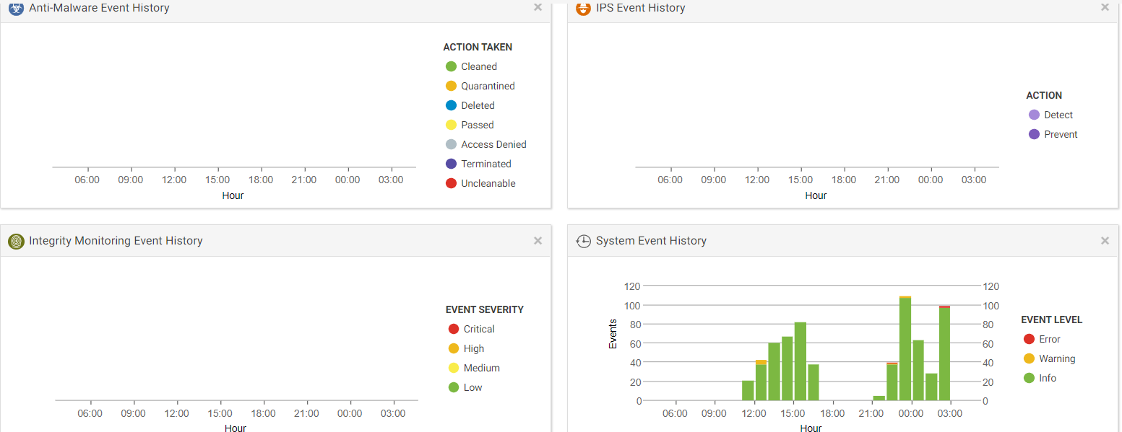
13 | Vulnerability Report |  | 1) NDI CyberSec will run a vulnerabilty scanning every month and provide us the report based on below reference and that report will be attached and presented in Monthly report on monthly report. (More details on Vulnerability scanning is available in MonthlyScan tab) |  |  | Monthly Scan
14 | Account Management |  | 1) Active users and newly added users for each month for IAM , OS , Zendesk , Customerportal , Dsaas will be notified through Monthly report 2) All active users and newly added users will be udpated in Account management sheet 3) Procedure to login to all seevers are given in Operationa Manual |  |  | https://nissangroup.sharepoint.com/:x:/r/teams/JAO_NML_07_000495_PR06459AllianceCI/Shared%20Documents/PRJ06459/Prj/D_Operation/VES-CI-Upgrade/Account%20Management%20Book.xlsx?d=w06895476797946848696b340f2f8a247&csf=1&web=1&e=pJf3CH
15 | Account Management |  | To follow application-operation-procesure.docx Chapter 24, 1) Active users and newly added users for each month for IAM , OS , Zendesk , Customerportal , Dsaas will be notified through Monthly report 2) All active users and newly added users will be udpated in Account management sheet 3) Procedure to login to all servers are given in Operationa Manual |  |  | https://nissangroup.sharepoint.com/:x:/r/teams/JAO_NML_07_000495_PR06459AllianceCI/Shared%20Documents/PRJ06459/Prj/D_Operation/VES-CI-Upgrade/Account%20Management%20Book.xlsx?d=w06895476797946848696b340f2f8a247&csf=1&web=1&e=pJf3CH
16 | Application Registration Users |  | To follow application-operation-procesure.docx Chapter 24 and report new users and all users list for each application in monthly report.

Log Monitoring
Nissan VES-CI Operaion Manual
Operation |  | Log Monitoring |  | Created by | RNTBCI
Description |  | Log Monitoring using Cloudwatch
Premise
Reference Document |  | NissanCI_Monitoring_Config

No | Overview |  | Procedure |  |  | Remarks
1 | Configure cloud watch agent in EC2 Instance (Application log & System log) |  | 1) Locate the log in Parameter store 2) Login into the respective EC2 Instance (For example, lets consider the Confluence Instance) 3) Run the command sudo /opt/aws/amazon-cloudwatch-agent/bin/amazon-cloudwatch-agent-ctl -a fetch-config -m ec2 -s -c ssm:AmazonCloudWatch-LinuxCIConfluence 4) Verify that the new log group ApplicationLog-Confluence is created in CloudWatch-->Log groups |  |  | 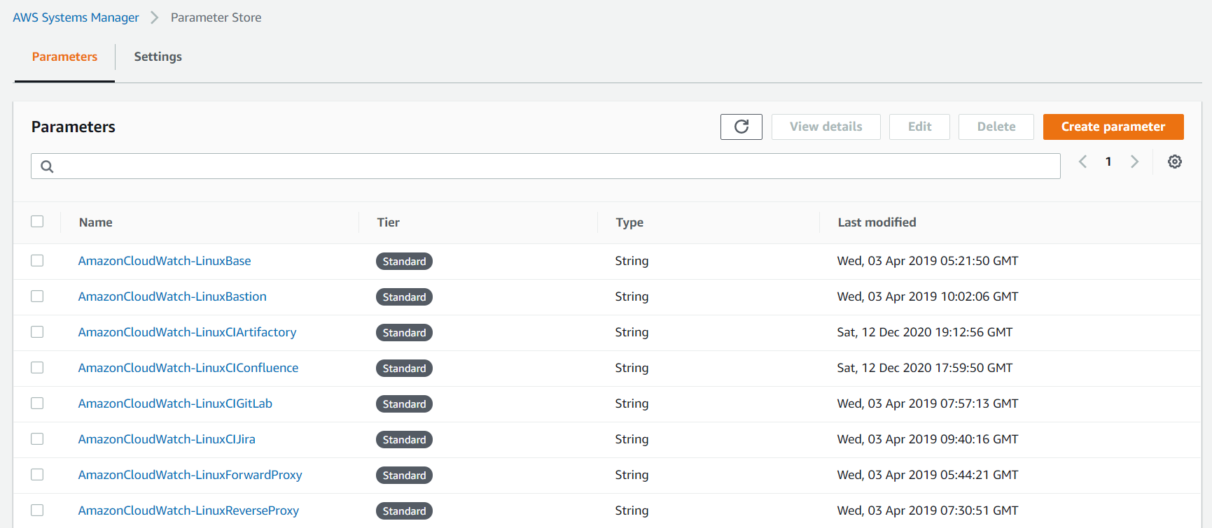
2 | Log Storage Period |  | To check 5 years are required to store all logs. |  |  | Yearly checking due to security reason

Log Extract
Nissan VES-CI Operaion Manual
Operation |  | Log Extract |  | Created by | RNTBCI
Description |  | Log Extract from Application server using SSH SCP
Premise
Reference Document |  | Nissan VES-CI_Operation Design - Applicaion log file locatiion can be found in the Operation Design document

No | Overview |  | Procedure |  |  | Remarks
1 | Copy File from EC2 Instances to local machine |  | Login to EC2 Intance using the procedure "Log in to each server" Invoke SSH SCP in File Menu Key in the source file path in From Select the destination path in local machine Click Receive Option |  |  | 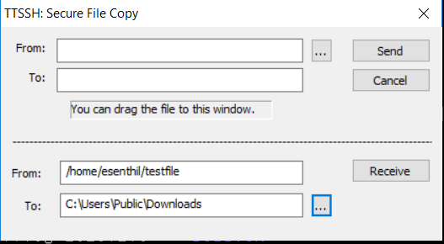
2 | Analyze the login log and Http request log |  | Analyze the log as per the criteria defined in the Excel sheets and the pivot visual will refresh automatically |  |  | JIRA Log Event Analysis.xlsx JIRA Log Login Analysis.xlsx Gitlab User Events.xlsx Gitlab User Logon.xlsx https://nissangroup.sharepoint.com/:f:/r/teams/JAO_NML_07_000495_PR06459AllianceCI/Shared%20Documents/PRJ06459/Prj/D_Operation/VES-CI-Upgrade/Operation%20and%20Maintenance%20Manual/Rev.0/Reference?csf=1&web=1&e=MGbfTE
3 | Report to IB1 |  | In monthly report, to explain how manu users are login and how many http request are done by users every day(every hour, every minutes).

DSaaS Alert Handling
Operating Manual
Operation |  | Alert Handling |  | Created By | BayCurrent Consulting
Overview |  | Resolve issue when you get alert mail from Trend Micro.

②
③
No | Overview |  | Detail of Procedure |  |  | Screen Image
1 | Receive Alert mail |  | ①You will get alert mail from DSaaS, so check it. From: deepsecurityasaservice@trendmicro.com
2 | Login DSaaS Management Console |  | ①Access URL below https://app.deepsecurity.trendmicro.com/SignIn.screen ②Fill 「Account」「Username」「Password」 Account: spaws Username: <Your Username> Password: <Your Password> ③Click [Sign In] and login |  |  | 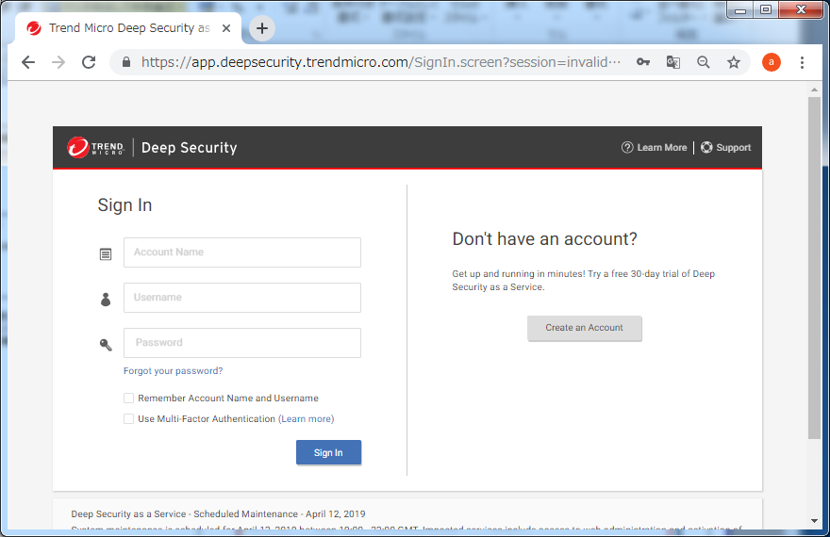
①
②
③
3 | Check Alert （overview） |  | ①Click [Alerts] ②Confirm that [Computers:] shows [All Computers] ③Double-click objective alert among alert list and you will reach alert detail screen. ※You can see alert raised date and time in [TIME] column ※You can see objective server in [TARGET] |  |  | 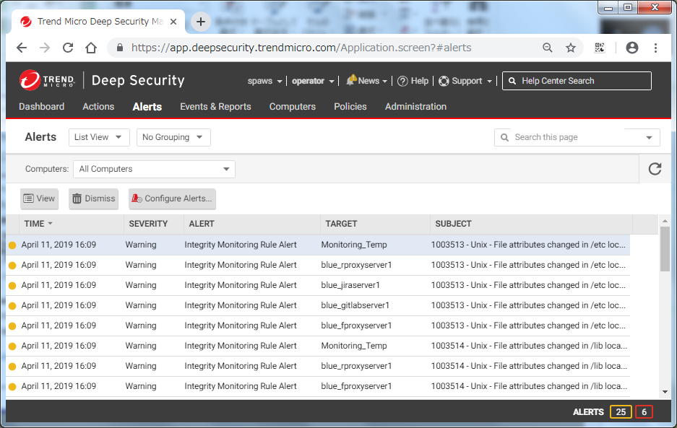
4 | Check Alert(Detail) and Resolve Issue |  | ①See detail information and resolve issue. ※If there is any unclear point, you can inquire to customer support <Trend Micro Support> https://esupport.trendmicro.com/SRF/srfnabu.aspx?locale=en |  |  | 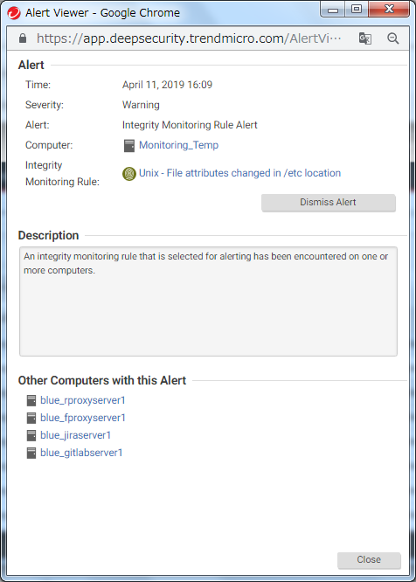
②
5 | Confirm that Alert was dismissed |  | ①Alert will dissapear from the alert list when issue was solved. However, some alerts need to delete manually.(Go to following procedure.) ②Select alert and click [Dismiss].

DSaaS Daily Event Check
Operation Manual
Operation |  | Daily Event Check |  | Created By | BayCurrent Consulting
Overview |  | Check whether alerts (events) related to [Anti-Malware][Intrusion Prevention][Integrity Monitoring][System Events] have raised or not in the every morning after arrival to the office. If alarts have raised, confirm the detail of alart and implement countermeasures.

②
③
①
②
③
No | Overview |  | Detail of Procedure |  |  | Screen Image
1 | Login to DSaaS management console |  | `
2 | Checking alerts (Anti-Malware) |  | ①Click [Events & Reports]. ②Click [Identified Files]. ③Check if there is any alerts raised yesterday (if yesterday is holiday, you need to check all alert during holiday). ※alert-raised-date and time can be checked in [TIME] column. ※Check [Computers:] shwows [All Computers]. ※Objective servers can be confirmed on [COMPUTER] ※You can designate date and time in [Period] column if it is after long holiday. ④Report to IB1 Nemoto-san if you find any alert, and talk with him what we should do. <IB1 Nemoto-san> hiroaki-nemoto@mail.nissan.co.jp ※Infected files will be isolated when detected, and anyone can't access. ⑤Delete/Download infected file as necessary. Details of operation is URL below. <Reference URL> https://help.deepsecurity.trendmicro.com/Events-Alerts/events-anti-malware-quarantine.html |  |  | 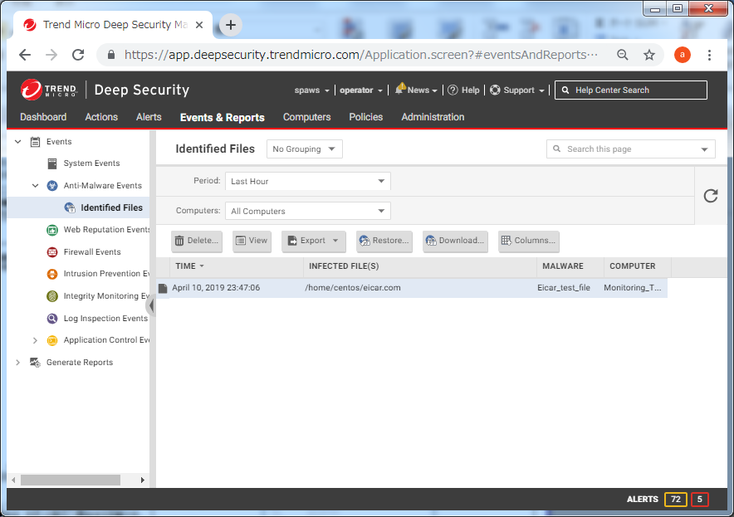
①
②
③
3 | Checking alerts (Intrusion Prevention) |  | ①Click [Events & Reports]. ②Click [Intrusion Prevention Events]. ③Check if there is any alerts raised yesterday (if yesterday is holiday, you need to check all alert during holiday). ※alert raised date and time can be checked in [TIME] column ※Check [Computers:] shows [All Computers] ※Objective servers can be confirmed on [COMPUTER] ※Executed protection rules can be confirmed in [REASON] column. ④Do following operation. <If you find alert> Double-click alert content and proceed to next step.（Detail screen will be shown） If there are multiple alerts, do 1 by 1. <If you don't find any alert> There is nothing to do. Proceed to [No.8]. |  |  | 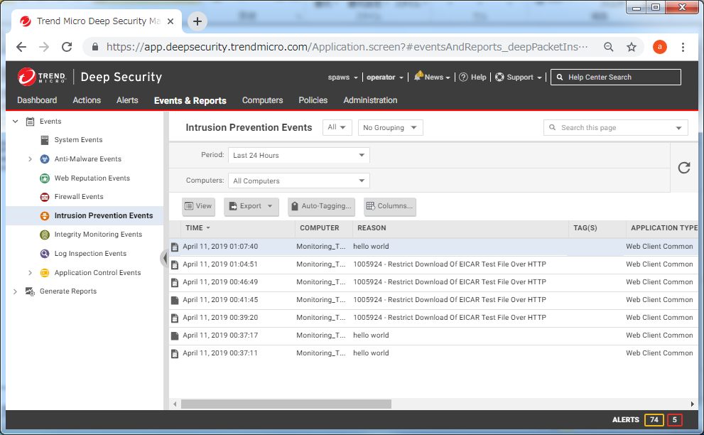
4 | Confirm Root Cause of Alert (Intrusion Prevention) |  | ①Share the information of this screen to XW0 and ask them if this detected communication was intended or not. Follwoing information will be helpful for XW0 to judge. [Detected Date and Time], [Source IP address], [Destination server], [Content of the communication], etc. ※If there is unclear point, you can inquire customer support. <Trend Micro Support> https://esupport.trendmicro.com/SRF/srfnabu.aspx?locale=en ②Do below according to XW0's answer. <The communication was normal> Proceed to next step to delete Intrusion Prevention rule. If there are multiple alert, do operation 1 by 1. <The communication was illegal> There is nothing to do. Proceed to [No 8]. |  |  | 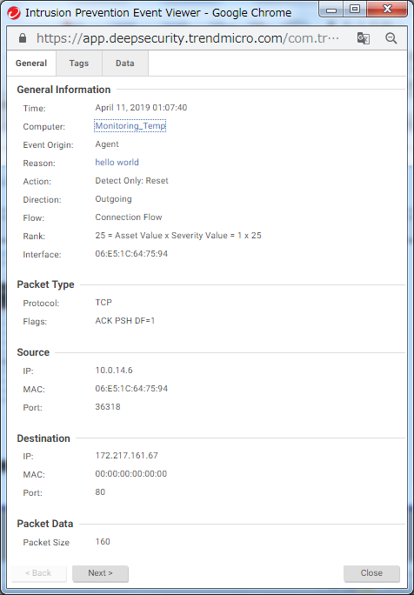
①
②
5 | Intrusion Prevention （Delete intrusion prevention rule） |  | ①Click servername next to [Computer:], so you can see the detail page of server. ②Click [Intrusion Prevention] ③Once you click [Assign/Unassign], you can see Intrusion prevention list page. |  |  | 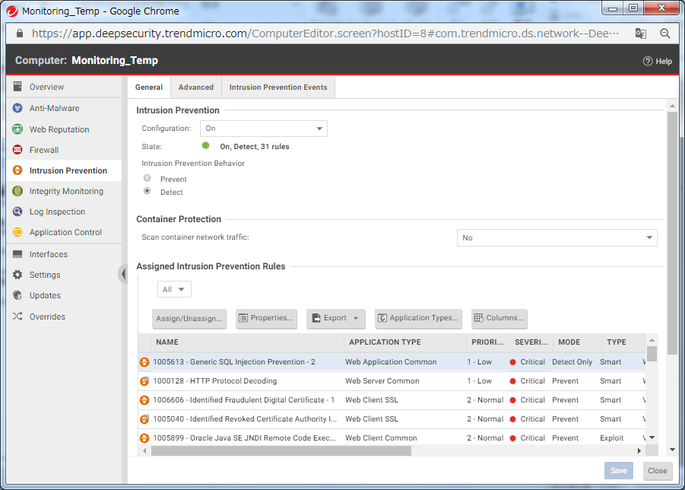
①
②
③
④
6 | Intrusion Prevention （Delete intrusion prevention rule） |  | ①In [IPS Rules], select [All]→[All]→[By Application Type]. ②Fill [REASON;] into serach box and click [Enter]. You will see matched rules. ※You can confirm [REASON:] in the screen of Procedure No 4. ③Uncheck [✔] from the rules. ④Click [OK] then delete intrusion prevention rule. |  |  | 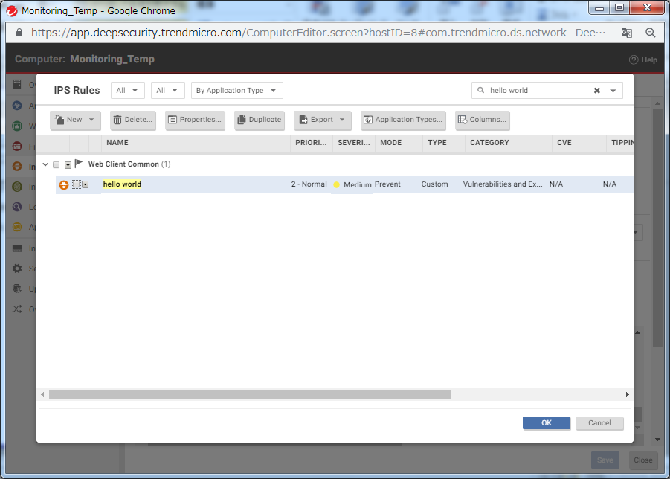
①
7 | Intrusion Prevention （Delete intrusion prevention rule） |  | ①Confirm that the rule which you deleted does not appear in [Assigned Intrusion Prevention Rules] on the current screen. |  |  | 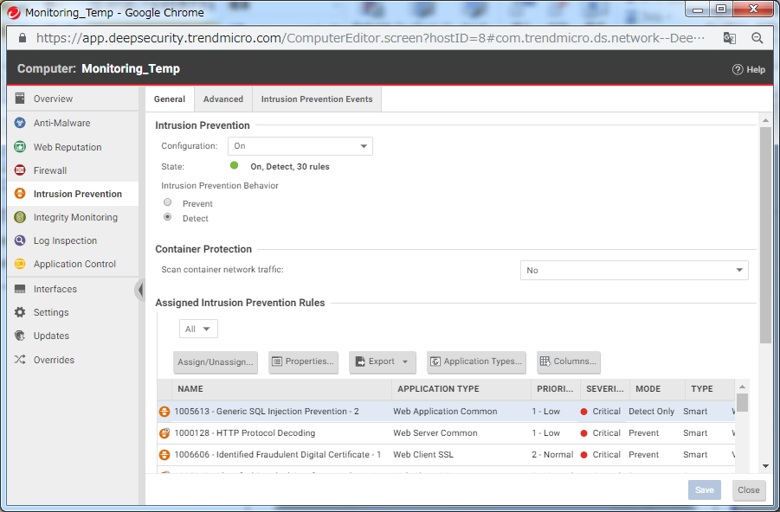
①
②
③
8 | Checking alert (Integrity Monitoring Events) |  | ①Click [Events & Reports] ②Click [Integrity Monitoring Events] ③Check if any alerts raised yesterday (if it is after holiday, you check all holiday's too). ※alert raised date and time can be checked in [TIME] column. ※Check [Computers:] shwows [All Computers]. ※Objective servers can be confirmed on [COMPUTER] ※You can confirm the changed part (file name or process name etc.) in [KEY] column. ④Do following operation. <If alert raised> Double-click alert and go to next step.（Detail screen will be shown） If there are multiple alerts, do 1 by 1. <If no Alert found> There is nothing to do. This procedure is done. |  |  | 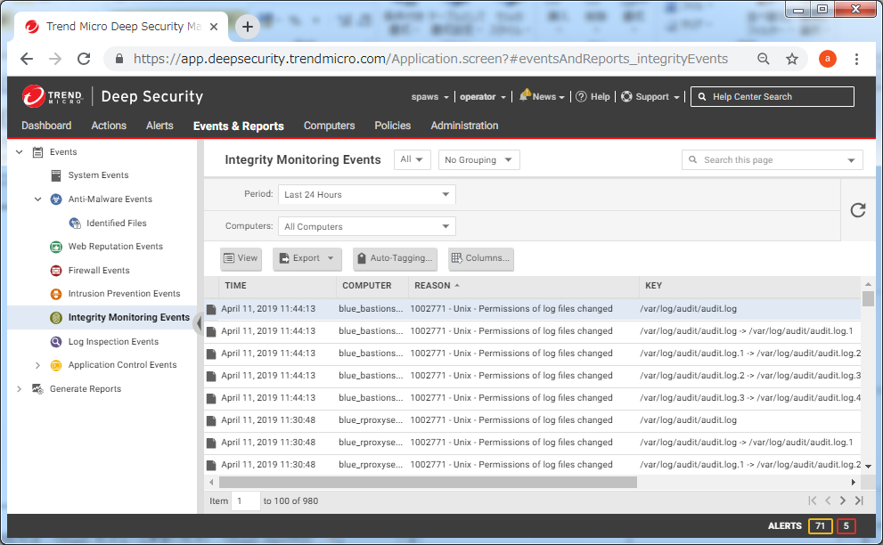
9 | Checking alert (Integrity Monitoring Events) |  | ①See detail info on this screen and check if there is suspectable change, (Do hearing of XW0 as necessary) ※If there is any unclear point, you can inquire customer support. <Trend Micro Support> https://esupport.trendmicro.com/SRF/srfnabu.aspx?locale=en ②If it is suspectable to be infected Virus, contact system representative(IB1 Nemoto-san) and consult measures. |  |  | 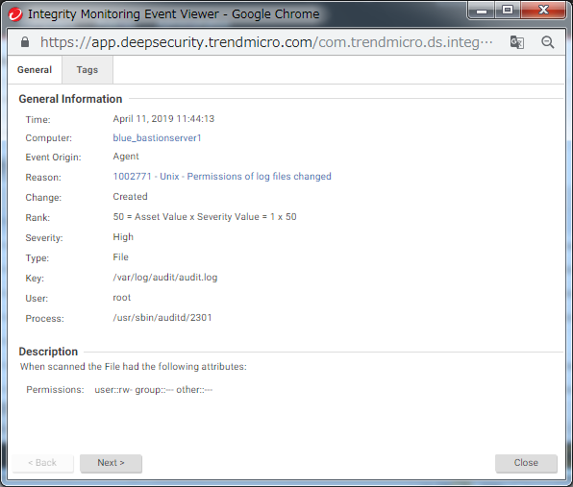
①
②
③
10 | Checking alert (System Events) |  | ①Click [Events & Reports] ②Click [System Events] ③Check if any alerts raised yesterday (if it is after holiday, you check all holiday's too). although you may see many events, please ignore unnecessary events. ※alert raised date and time can be checked in [TIME] column. ※Check [Computers:] shwows [All Computers]. ※Objective servers can be confirmed on [COMPUTER] ※You can see event detail in [EVENT] column. ④Investigate and implement measures when you find any worrisome events（you can see the detail by double-clicking event） ※If there is any unclear point, you can inquire customer support. <Trend Micro Support> https://esupport.trendmicro.com/SRF/srfnabu.aspx?locale=en |  |  | 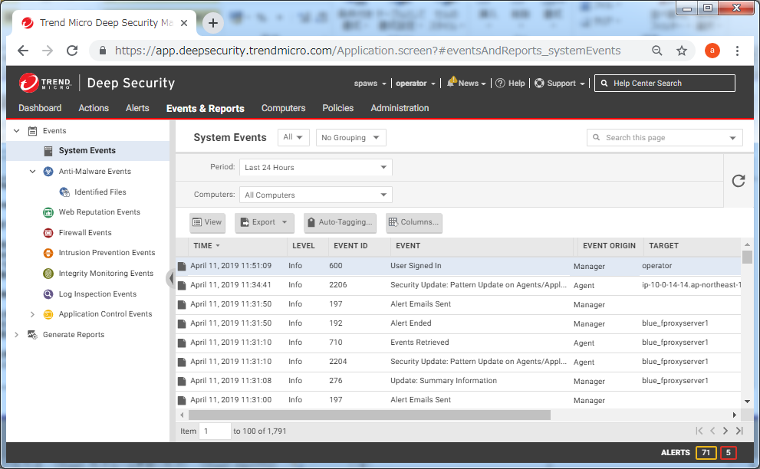

DSaaS Monthly Rule Update
Operating Manual
Operation |  | Monthy Rule Update |  | Created By | RNTBCI
Overview of Procedure |  | Rules of "Intrusion Prevention" function and "Integrity Monitoring" function are needed to be updated regularly. Operator need to do this operation on the 1st day of each month, If 1st day is off, do this on next business day. - Reference：Manual about intrusion prevention - https://help.deepsecurity.trendmicro.com/set-up-intrusion-prevention.html - Reference：Manual about integrity monitoring - https://help.deepsecurity.trendmicro.com/set-up-integrity-monitoring.html

②
③
①
②
③
④
No | Overview |  | Detail of Procedure |  |  | Screen Image
1 | Login DSaaS management console |  | ①Access URL below https://app.deepsecurity.trendmicro.com/SignIn.screen ②Fill 「Account」「Username」「Password」 Account: spaws Username: <Your Username> Password: <Your Password> ③Click [Sign In] and login
2 | Execute Recommendation Scan |  | 1) After login, click [Computers] 2) Select all servers （you can select multiple servers with Shift key） 3) Click [Actions] 4) Click [Scan for Recommendations] then all servers will be scanned. |  |  | 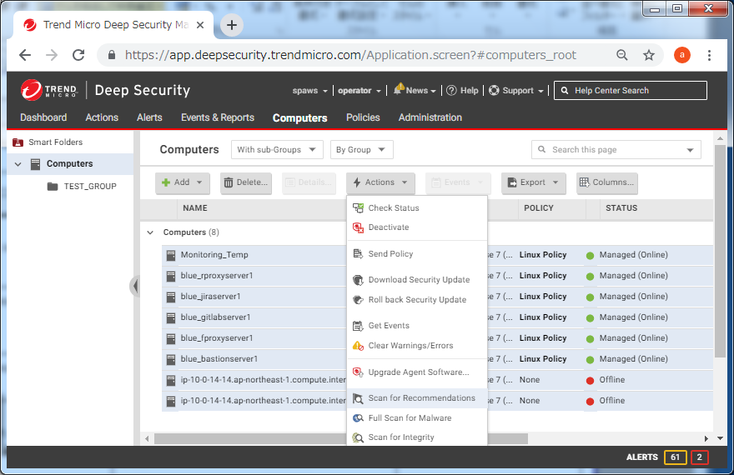
①
②
③
3 | Confirm Recommendation Scan started |  | 1)Click [Events & Reports] 2)Click [System Events] 3)If you can see "Recommendation Scan Requested" in [EVENT], scan has been started. （You will see on each servers.） ※Scan will take about 10 minutes til completion. ※Screen will be automatically refreshed regularly. |  |  | 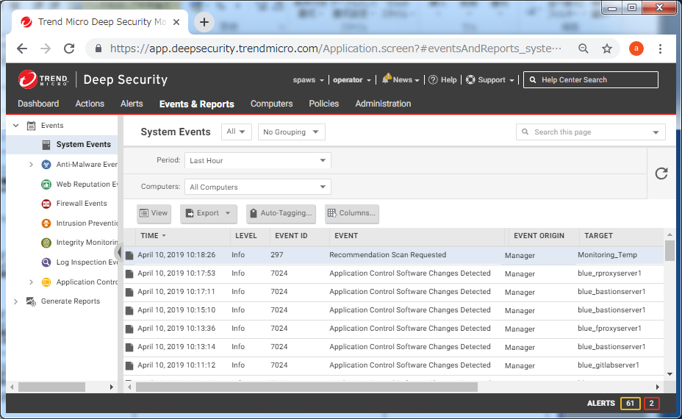
③
4 | Confirm Recommendation Scan finished |  | 1) [Recommendation Scan Completed] will appear in [EVENT] when scan completed. （Confirm that displayed on each servers.） |  |  | 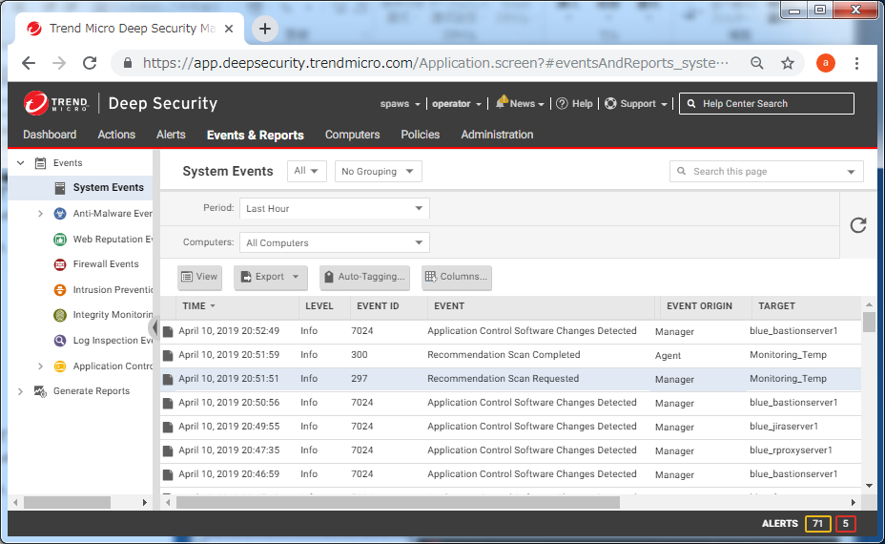
5 | Daily Report in case of detected items |  | Events discovered in the Daily monitoring will be discussed with IB1 (Xu-san, Yoshida-san) and the necessary rules will be implemented in DSaaS. |  |  | No images
6 | ※Following operation is required by all servers.
①
②
7 | Select Server for work and detected items |  | 1)Click [Computers]. 2)Select 1 server and double-click. To be checked in daily monitoring. [blue_rproxyserver1] [blue_fproxyserver1] [blue_bastionserver1] [blue_jiraserver1] [blue_gitlabserver1] [blue_confluenceserver1] [blue_artifactoryserver1] To be deteced for the above servers ・System Events ・Anti Malware events ・IPS Events ・Integrity Monitoring Events |  |  | 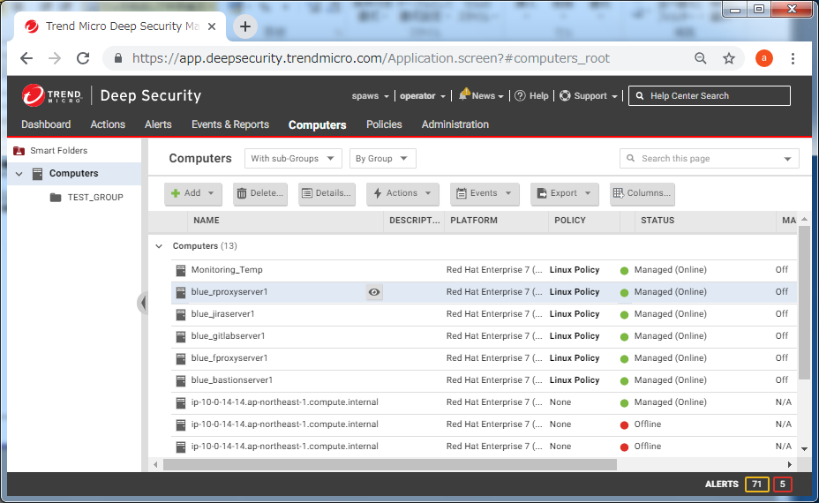
①
②
8 | Confirm if Intrusion Prevention Ruleis needed to add |  | 1) Click [Intrusion Prevention] on the current screen 2) Confirm that [Unresolved Recommendations:] is displayed in [Recommendations] on the bottom left of the screen. ※If "✔You have no unresolved Recommendations" is displayed, there is no rule to be added for this time. Proceed No 12. |  |  | 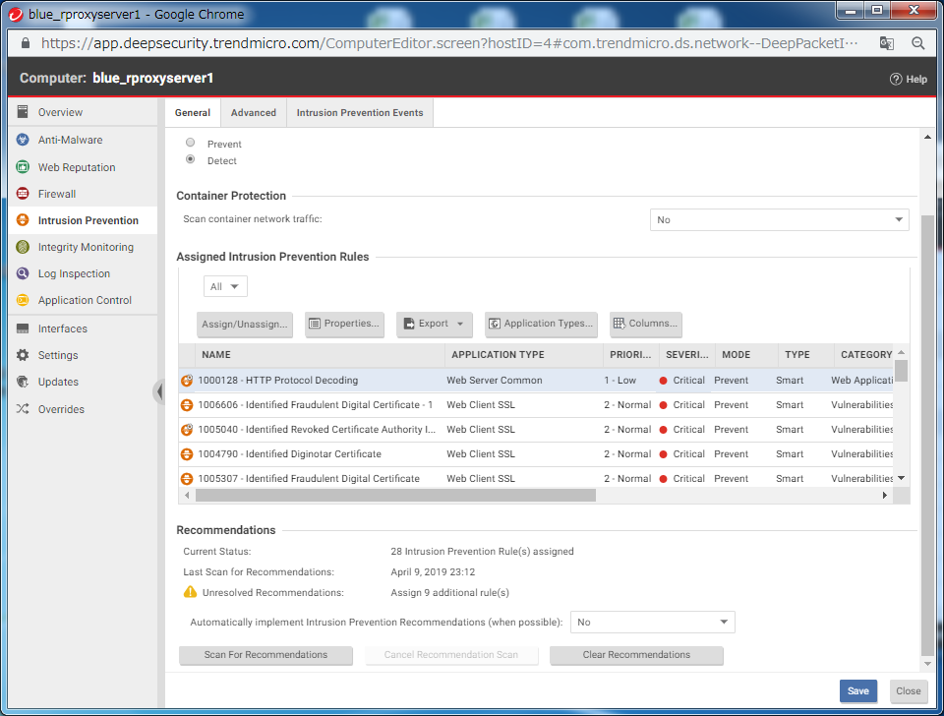
③
①
③
9 | Change to Detect mode temporarily |  | 1) Click [Detect] to change to detect mode temporarily. 2) Click [Save] to save the change. 3) Click [Assign/Unassign] then. |  |  | 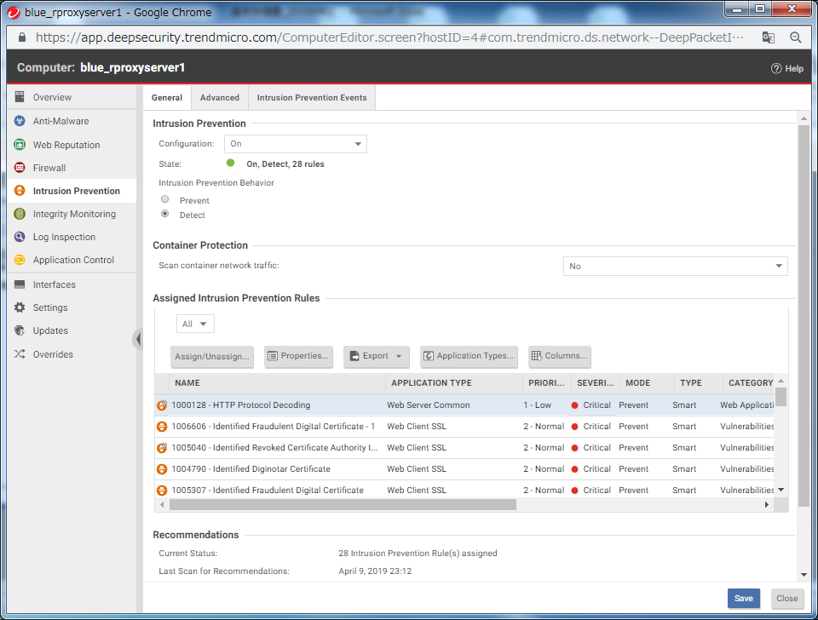
①
②
③
10 | Attach Addtional Rule |  | 1) Select [All]→[Recommended for Assignment]→[By Applicatoin Type] on "IPS Rules" on the current screen. 2) You will see the list of rules recommended to apply to this server. Check [✔] all rules. 3) Click [OK] and rules will be attached. |  |  | 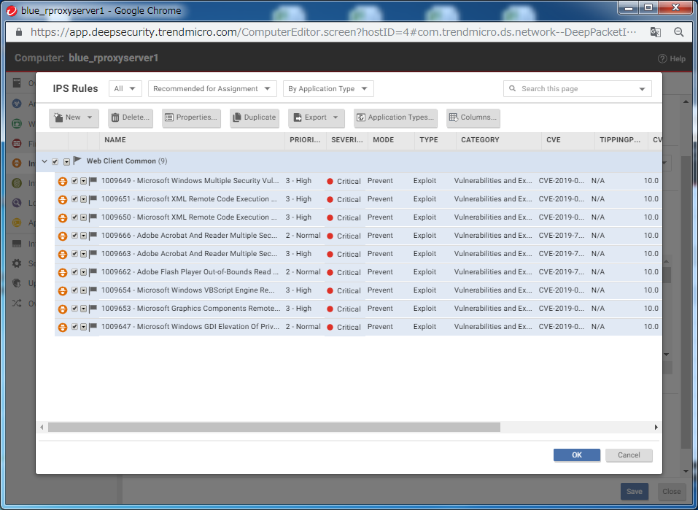
①
11 | Confirm Rule was Attached |  | 1) Confirm that "✔You have no Recommendations:" in [Recommendations] on the buttom left of the screen. |  |  | 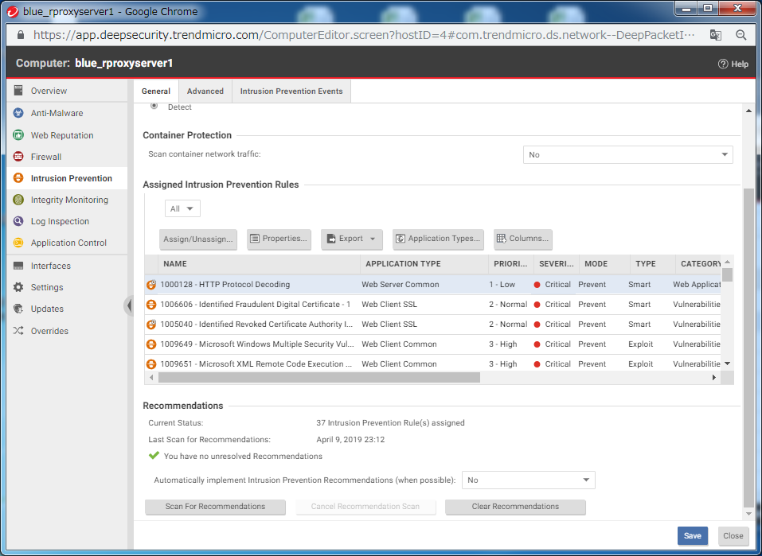
12 | Chenge to Prevent mode |  | Do this Procedure afer 1 week. ①Login DSaaS management console. ②Click [Computers] and double-click work objective server. ③Click [Intrusion Prevention] ④Select [Prevent] from [Intrusion Prevention Behavior] ⑤Click [Save] on the bottom of the screen |  |  | No image.
②
①
13 | Confirm if Intrusion Prevention Rule is needed to add |  | 1) Click [Integrity Monitoring] 2) Confirm that [Unresolved Recommendations:] is displayed in [Recommendations] on the buttom left of the screen. ※If "✔You have no unresolved Recommendations" is displayed, there is no rules to add, this procedure is done. ※If there are any servers not done this procedure, do from procedure No 6. 3) Click [Assign/Unassign]. |  |  | 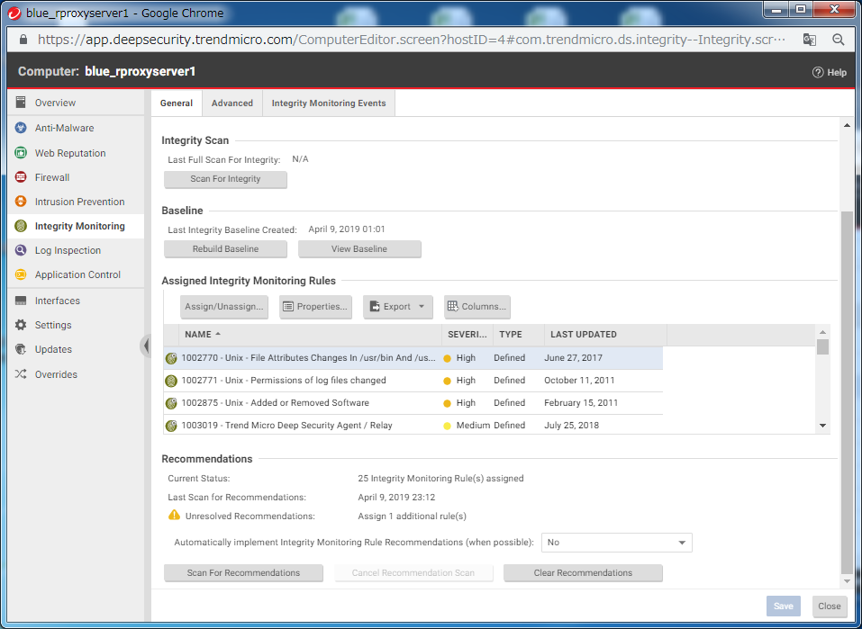
①
②
14 | Attach Addtional Rule |  | 1) [Integrity Monitoring Rules] on the current screen, select [Recommended for Assignment]→[By Type]. 2) You will see the list of rules recommended to apply to this server. Check [✔] all rules.. 3) Click [OK] then rules will be attached. |  |  | 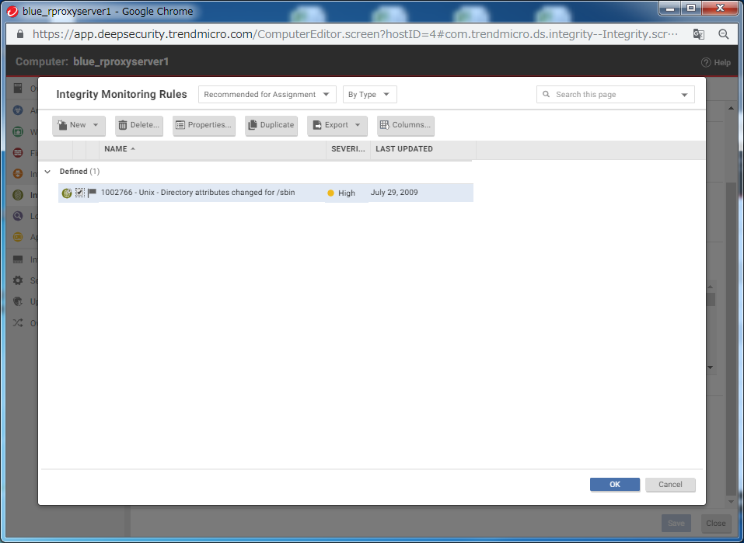
①
②
15 | Confirm Rules were attached |  | 1) Confirm that [✔You have no Recommendations:] is displayed in [Recommendations] on the buttom of the screen. 2) Click [Close] and this work is done. ※If there are any servers not done this procedure, do from procedure No 6. |  |  | 

